Sheet2
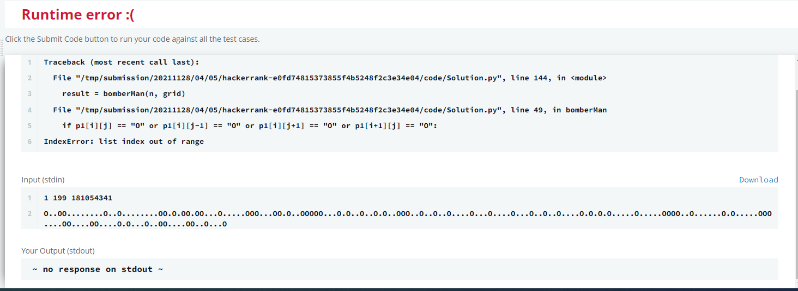
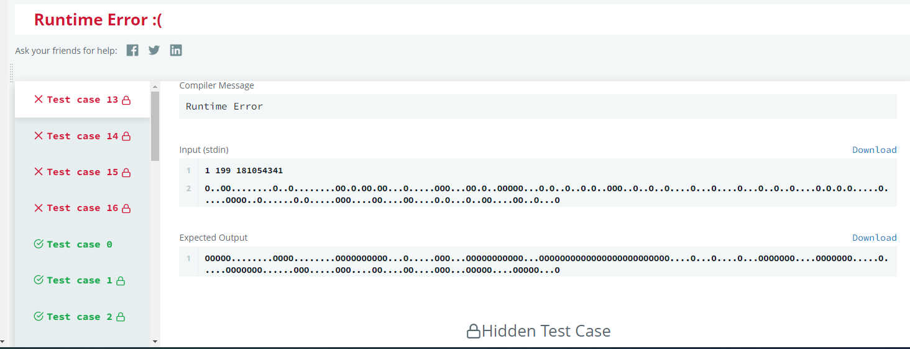

test case
1 199 181054341
O..OO........O..O........OO.O.OO.OO...O.....OOO...OO.O..OOOOO...O.O..O..O.O..OOO..O..O..O....O...O....O...O..O..O....O.O.O.O.....O.....OOOO..O......O.O.....OOO....OO....OO....O.O...O..OO....OO..O...O

expexted output
OOOOO........OOOO........OOOOOOOOOO...O.....OOO...OOOOOOOOOOO...OOOOOOOOOOOOOOOOOOOOOOOOO....O...O....O...OOOOOOO....OOOOOOO.....O.....OOOOOOO......OOO.....OOO....OO....OO....OOO...OOOOO....OOOOO...O
OOOOO........OOOO........OOOOOOOOOO...O.....OOO...OOOOOOOOOOO...OOOOOOOOOOOOOOOOOOOOOOOOO....O...O....O...OOOOOOO....OOOOOOO.....O.....OOOOOOO......OOO.....OOO....OO....OO....OOO...OOOOO....OOOOO...O
OOOOO........OOOO........OOOOOOOOOO...O.....OOO...OOOOOOOOOOO...OOOOOOOOOOOOOOOOOOOOOOOOO....O...O....O...OOOOOOO....OOOOOOO.....O.....OOOOOOO......OOO.....OOO....OO....OO....OOO...OOOOO....OOOOO...O

my output

Sheet4
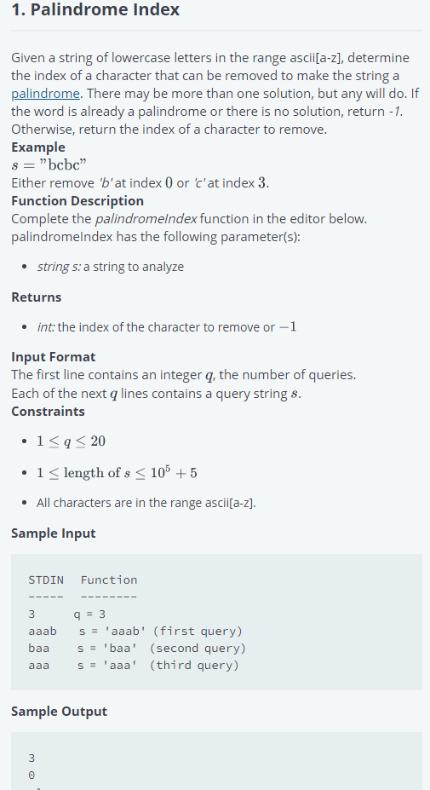
#!/bin/python3

import math
import os
import random
import re
import sys
 | madam | -1
 | carrace
 |  | -1
#
# Complete the 'palindromeIndex' function below.
#
# The function is expected to return an INTEGER.
# The function accepts STRING s as parameter.
#
import math

def palindromeIndex(s):
# Write your code here

def ispalindrome(s1):
if s1[0:math.floor(len(s1)/2)] == s1[math.ceil(len(s1)/2):][::-1]:
return True
else:
return False

if ispalindrome(s) == True:
return -1
else:
for i in range(len(s)):
temp = s[:i] + s[i+1:]
if ispalindrome(temp) == True:
return i
else:
if i == len(s) - 1:
return -1

Hackerrank Problem Solving Skil
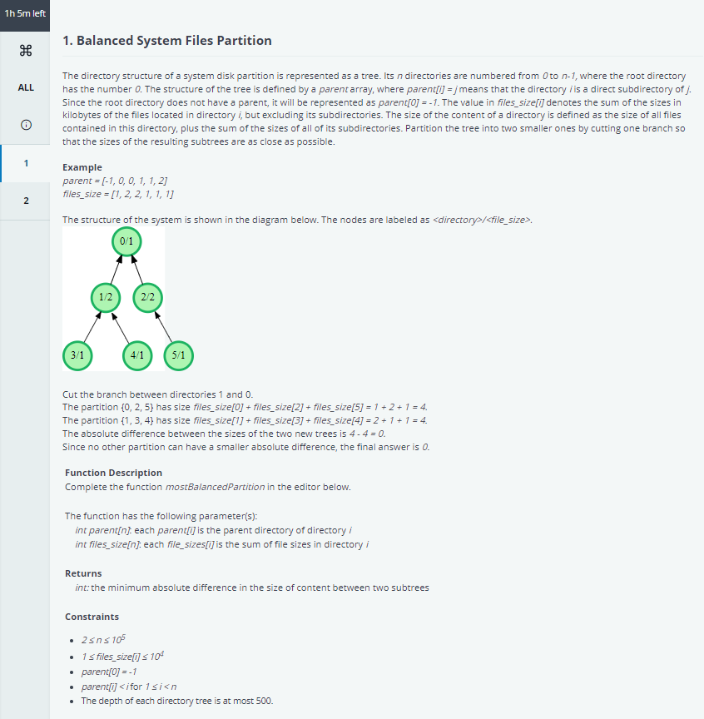
HACKERRANK PROBLEM SOLVING SKILL TEST

